1. Title Page
Instacart Grocery Basket Analysis

Project Name: Instacart Grocery Basket Analysis
Date: 19.05.2024
Analyst Name: Mirko Yonathan Ciotta

Contents:
Population Flow
Consistency checks
Wrangling steps
Column derivations
Visualizations
Recommendations

2. Population Flow
Title page

Population flow

Exclusion flag
Condition: max_order < 5
Obervations to be removed: 1358803
Final total count of order_products_all: 29270938

Key: order_id
Key: product_id

Orders_products_combined
Orders_products_merged
Orders_products_all

Total: 32404859
Total: 32434489
Total: 30629741

1.) The grey boxes in the first row of the population flow represent the original data sets as they were when you downloaded them. In the Total fields you need to add the count of the rows when you imported the data set into Jupyter.
2.) The second row of boxes (coloured) represents the data sets after you manipulated them, e.g., removed missing values and duplicates. In the Total fields you need to add the count of the rows after conducting these operations. This offers a visual oveview of how the data flows throughout the data consistency checks.
3.) The third row, where also the arrows are coloured, represents the merges you performed between the datasets. In the Total fields you need to add the count of the rows in the merged datasets, so that you end up with the final dataset (in the red box). Keep in mind the final dataset should be without exclusions (based on the exclusion flag).

3. Consistency checks
 |  |  |  |  |  |  | Title page
Consistency checks

Dataset | Missing values | Missing values treatment | Duplicates | Exercise # | Dataset Update
orders | 206,209 NaN from 'days_since_prior_order' | Retained, accounting for more than 5% of the dataset, these missing records might signify potential new customers. Thus, a distinct dataframe was generated specifically for these absent entries. |  | Exercise 4.5 | Original Data Size: 3421083 rows Missing Values: 206,209 Post-Missing Value Treatment: No change, retaining 3421083 rows"
products | 16 product_names | Excluded from analysis, the 16 rows account for less than 5% of the dataset, suggesting their omission will have minimal influence, whether retained or discarded. Among these, the absent values pertain to product names. | 5 duplicates deleted Created 2 subsets: df_dups # new data frame containing only rows that are duplicate df_prods_clean dataframe containing | Exercise 4.5 | Initial: 49,693 rows Minus: missing values (filtered out): 16 After missing value treatment: 49,677 Minus: duplicates (deleted): 5 After duplicate values treatment: 49,672
orders_products_prior | none | n/a | none |  | No changes
customers | 11259 first_names | A distinct dataframe, labeled 'new_df', was generated to record these absent values. Referencing the data dictionary, there remains the potential to revisit this later, utilizing product IDs to correlate and identify the missing product names, leveraging additional data such as price, aisle ID, and department ID | none | Exercise 4.9

days_since_prior_order | 1 | 2 | 3 | 4 | 5 | 6 | 7 | 8 | 9 | 10 | 11 | 12 | 13 | 14 | 15 | 16 | 17 | 18 | 19 | 20 | 21 | 22 | 23 | 24 | 25 | 26 | 27 | 28 | 29 | 30 | 31 | 32 | 33 | 34 | 35 | 36 | 37 | 38 | 39 | 40 | 41 | 42 | 43 | 44 | 45 | 46 | 47 | 48 | 49 | 50 | 51 | 52 | 53 | 54 | 55 | 56 | 57 | 58 | 59 | 60 | 61 | 62 | 63 | 64 | 65 | 66 | 67 | 68 | 69 | 70 | 71 | 72 | 73 | 74 | 75 | 76 | 77 | 78 | 79 | 80 | 81 | 82 | 83 | 84 | 85 | 86 | 87 | 88 | 89 | 90 | 91 | 92 | 93 | 94 | 95 | 96 | 97 | 98 | 99
0.0 | 3160 | 3014 | 2585 | 1056 | 759 | 549 | 424 | 390 | 391 | 340 | 289 | 295 | 282 | 259 | 269 | 224 | 298 | 252 | 255 | 206 | 286 | 262 | 250 | 255 | 251 | 275 | 278 | 231 | 277 | 276 | 245 | 225 | 221 | 267 | 249 | 170 | 240 | 230 | 244 | 253 | 196 | 201 | 242 | 229 | 194 | 263 | 266 | 228 | 220 | 236 | 185 | 204 | 197 | 242 | 246 | 202 | 222 | 194 | 262 | 267 | 246 | 198 | 233 | 248 | 191 | 264 | 271 | 241 | 237 | 208 | 243 | 216 | 247 | 281 | 269 | 203 | 241 | 263 | 285 | 258 | 261 | 215 | 213 | 256 | 243 | 287 | 209 | 208 | 240 | 243 | 219 | 310 | 247 | 248 | 258 | 255 | 246 | 202 | 256
0.5 | 59 | 53 | 60 | 45 | 16 | 9 | 8 | 9 | 0 | 0 | 0 | 0 | 0 | 0 | 0 | 0 | 0 | 0 | 0 | 0 | 0 | 0 | 0 | 0 | 0 | 0 | 0 | 0 | 0 | 0 | 0 | 0 | 0 | 0 | 0 | 0 | 0 | 0 | 0 | 0 | 0 | 0 | 0 | 0 | 0 | 0 | 0 | 0 | 0 | 0 | 0 | 0 | 0 | 0 | 0 | 0 | 0 | 0 | 0 | 0 | 0 | 0 | 0 | 0 | 0 | 0 | 0 | 0 | 0 | 0 | 0 | 0 | 0 | 0 | 0 | 0 | 0 | 0 | 0 | 0 | 0 | 0 | 0 | 0 | 0 | 0 | 0 | 0 | 0 | 0 | 0 | 0 | 0 | 0 | 0 | 0 | 0 | 0 | 0
1.0 | 5523 | 5078 | 5014 | 3577 | 3098 | 2675 | 2504 | 2405 | 2291 | 2174 | 2100 | 2085 | 1910 | 1847 | 1874 | 1739 | 1707 | 1829 | 1739 | 1657 | 1610 | 1696 | 1513 | 1489 | 1636 | 1549 | 1696 | 1454 | 1514 | 1505 | 1351 | 1447 | 1372 | 1381 | 1401 | 1293 | 1407 | 1312 | 1309 | 1369 | 1177 | 1286 | 1313 | 1381 | 1280 | 1230 | 1305 | 1229 | 1237 | 1294 | 1276 | 1408 | 1160 | 1244 | 1266 | 1203 | 1354 | 1291 | 1254 | 1237 | 1135 | 1221 | 1132 | 1275 | 1202 | 1221 | 1254 | 1131 | 1048 | 1187 | 1165 | 1197 | 1181 | 1141 | 1093 | 1293 | 1049 | 1067 | 1163 | 1167 | 1103 | 1103 | 1166 | 1178 | 1117 | 1240 | 1059 | 1030 | 1080 | 1051 | 1122 | 1161 | 1056 | 1161 | 1150 | 1000 | 1078 | 1095 | 1017
1.5 | 122 | 80 | 95 | 78 | 53 | 36 | 35 | 18 | 18 | 18 | 17 | 11 | 8 | 9 | 11 | 9 | 7 | 6 | 8 | 5 | 5 | 6 | 9 | 5 | 6 | 8 | 5 | 5 | 10 | 7 | 7 | 6 | 4 | 4 | 9 | 9 | 9 | 4 | 6 | 7 | 9 | 10 | 6 | 4 | 10 | 7 | 6 | 9 | 13 | 9 | 10 | 3 | 3 | 3 | 9 | 8 | 2 | 4 | 1 | 5 | 8 | 11 | 2 | 4 | 8 | 2 | 2 | 6 | 2 | 6 | 4 | 2 | 2 | 3 | 4 | 4 | 4 | 4 | 4 | 5 | 2 | 4 | 4 | 4 | 5 | 2 | 2 | 2 | 4 | 4 | 4 | 4 | 3 | 3 | 4 | 5 | 2 | 5 | 2
2.0 | 15086 | 14141 | 14096 | 11714 | 10468 | 9696 | 9194 | 8838 | 8543 | 8425 | 8141 | 7725 | 7744 | 7695 | 7408 | 7284 | 7273 | 7184 | 7252 | 6962 | 6947 | 6858 | 6707 | 6536 | 6713 | 6542 | 6185 | 6405 | 6327 | 6188 | 6436 | 6064 | 6067 | 5947 | 5863 | 5987 | 5842 | 5609 | 5573 | 5451 | 5341 | 5413 | 5346 | 5340 | 5231 | 5108 | 4952 | 4932 | 4979 | 5026 | 5122 | 5028 | 4669 | 5005 | 4912 | 4788 | 4787 | 4542 | 4685 | 4685 | 4598 | 4302 | 4402 | 4452 | 4214 | 4353 | 4371 | 4389 | 4224 | 4404 | 4166 | 4039 | 4200 | 4059 | 4022 | 3936 | 3944 | 4044 | 4003 | 3875 | 3940 | 3607 | 3992 | 3902 | 3580 | 3734 | 3649 | 3551 | 3547 | 3711 | 3616 | 3548 | 3501 | 3635 | 3389 | 3398 | 3415 | 3510 | 3391
2.5 | 454 | 395 | 416 | 278 | 321 | 186 | 194 | 169 | 141 | 136 | 169 | 165 | 173 | 126 | 83 | 95 | 107 | 92 | 96 | 89 | 125 | 74 | 71 | 79 | 73 | 64 | 76 | 87 | 71 | 56 | 60 | 53 | 90 | 49 | 75 | 59 | 44 | 58 | 65 | 55 | 64 | 49 | 54 | 81 | 36 | 57 | 78 | 65 | 56 | 62 | 52 | 54 | 41 | 45 | 59 | 36 | 27 | 51 | 27 | 41 | 45 | 40 | 28 | 34 | 22 | 22 | 38 | 18 | 19 | 29 | 19 | 35 | 18 | 23 | 23 | 29 | 20 | 25 | 20 | 19 | 45 | 21 | 36 | 17 | 33 | 34 | 30 | 19 | 28 | 30 | 38 | 25 | 31 | 28 | 21 | 33 | 20 | 20 | 15
3.0 | 35488 | 33098 | 34026 | 30748 | 28532 | 27469 | 26099 | 24838 | 24535 | 24203 | 23200 | 22470 | 21754 | 21660 | 21227 | 20886 | 20095 | 20057 | 19684 | 19123 | 19060 | 18647 | 18515 | 18150 | 18116 | 17892 | 17562 | 17776 | 16927 | 16805 | 16287 | 16504 | 15824 | 15569 | 15676 | 15469 | 15387 | 15385 | 15106 | 14647 | 14541 | 14350 | 14304 | 13888 | 13775 | 13821 | 14040 | 13763 | 13540 | 13500 | 13642 | 12829 | 13007 | 12476 | 12811 | 12456 | 12322 | 12229 | 12458 | 12454 | 12103 | 12200 | 11865 | 11756 | 11618 | 11582 | 11542 | 11622 | 11436 | 11052 | 10959 | 11256 | 11186 | 10834 | 11031 | 10580 | 10572 | 10228 | 9932 | 9877 | 9861 | 9572 | 9823 | 9521 | 9616 | 8950 | 9053 | 8783 | 8612 | 8325 | 8427 | 7798 | 7551 | 7716 | 7471 | 7079 | 7013 | 6580 | 6416
3.5 | 870 | 772 | 813 | 627 | 554 | 533 | 466 | 425 | 380 | 344 | 308 | 371 | 272 | 274 | 234 | 173 | 221 | 159 | 186 | 135 | 199 | 152 | 128 | 145 | 83 | 110 | 86 | 83 | 78 | 70 | 86 | 88 | 112 | 114 | 102 | 104 | 118 | 104 | 86 | 103 | 108 | 89 | 77 | 83 | 81 | 60 | 59 | 58 | 45 | 41 | 38 | 35 | 40 | 37 | 33 | 39 | 34 | 15 | 37 | 29 | 33 | 40 | 25 | 18 | 28 | 28 | 15 | 18 | 15 | 19 | 18 | 20 | 17 | 12 | 23 | 24 | 17 | 17 | 18 | 17 | 15 | 19 | 0 | 0 | 0 | 0 | 0 | 0 | 0 | 0 | 0 | 0 | 0 | 0 | 0 | 0 | 0 | 0 | 0
4.0 | 62124 | 59914 | 60378 | 54999 | 53082 | 49719 | 48082 | 46540 | 45071 | 43489 | 42157 | 41134 | 41033 | 39384 | 37606 | 37434 | 36778 | 36272 | 36293 | 34782 | 33970 | 33304 | 32417 | 31569 | 31455 | 30900 | 30328 | 29683 | 29223 | 28434 | 28441 | 28433 | 27655 | 26968 | 26444 | 26456 | 26518 | 26328 | 25897 | 25205 | 24807 | 24915 | 24515 | 24381 | 24640 | 23731 | 23361 | 23512 | 23409 | 22740 | 22261 | 22229 | 22008 | 21910 | 22018 | 21286 | 20939 | 20420 | 19862 | 19994 | 19407 | 18758 | 18400 | 17665 | 17445 | 17039 | 16775 | 16360 | 16155 | 15616 | 14862 | 14295 | 13944 | 13097 | 12652 | 11783 | 10896 | 10715 | 10478 | 9366 | 8862 | 8055 | 7561 | 6986 | 6394 | 5617 | 5218 | 4807 | 4315 | 3661 | 3272 | 3208 | 2869 | 2300 | 2146 | 1904 | 1510 | 1389 | 1262
4.5 | 1211 | 1122 | 1055 | 1061 | 850 | 830 | 876 | 804 | 748 | 691 | 633 | 757 | 609 | 565 | 555 | 518 | 513 | 550 | 504 | 482 | 458 | 470 | 510 | 456 | 444 | 431 | 473 | 411 | 379 | 316 | 356 | 318 | 320 | 274 | 305 | 271 | 239 | 272 | 290 | 272 | 286 | 243 | 282 | 264 | 232 | 254 | 178 | 212 | 160 | 189 | 234 | 174 | 187 | 191 | 160 | 149 | 169 | 135 | 132 | 171 | 151 | 167 | 139 | 133 | 125 | 135 | 129 | 80 | 74 | 75 | 55 | 68 | 87 | 101 | 77 | 78 | 82 | 68 | 41 | 32 | 23 | 21 | 14 | 22 | 16 | 3 | 14 | 18 | 5 | 7 | 6 | 6 | 16 | 0 | 0 | 0 | 0 | 0 | 0
5.0 | 80944 | 79019 | 77971 | 72832 | 69107 | 66327 | 63380 | 61617 | 58888 | 57739 | 55198 | 54069 | 52454 | 50509 | 49254 | 48275 | 46413 | 45602 | 43840 | 43285 | 41415 | 41009 | 40099 | 39142 | 38508 | 37411 | 36895 | 36203 | 35376 | 34321 | 34440 | 33862 | 33318 | 32203 | 31567 | 30473 | 30753 | 30230 | 29682 | 29798 | 28978 | 28209 | 28262 | 27787 | 27289 | 26692 | 26048 | 25906 | 24738 | 24011 | 23627 | 23021 | 22109 | 20950 | 20667 | 19465 | 18406 | 18026 | 16982 | 16032 | 15197 | 14315 | 13434 | 12509 | 11259 | 10174 | 9357 | 8604 | 7691 | 6954 | 5964 | 5571 | 4580 | 3981 | 3434 | 2904 | 2574 | 2126 | 1741 | 1482 | 1083 | 981 | 850 | 603 | 508 | 296 | 315 | 215 | 264 | 177 | 155 | 169 | 133 | 120 | 87 | 72 | 82 | 56 | 75
5.5 | 1526 | 1536 | 1482 | 1165 | 1169 | 1143 | 1018 | 1044 | 914 | 836 | 859 | 853 | 681 | 656 | 666 | 611 | 591 | 602 | 566 | 625 | 514 | 506 | 464 | 448 | 395 | 410 | 384 | 334 | 361 | 386 | 322 | 364 | 318 | 292 | 282 | 284 | 306 | 275 | 280 | 278 | 244 | 220 | 234 | 275 | 235 | 277 | 299 | 251 | 221 | 257 | 190 | 161 | 167 | 147 | 123 | 143 | 94 | 102 | 83 | 85 | 81 | 71 | 75 | 16 | 35 | 34 | 15 | 7 | 0 | 0 | 0 | 0 | 0 | 0 | 0 | 0 | 0 | 0 | 0 | 0 | 0 | 0 | 0 | 0 | 0 | 0 | 0 | 0 | 0 | 0 | 0 | 0 | 0 | 0 | 0 | 0 | 0 | 0 | 0
6.0 | 113704 | 110033 | 111079 | 103540 | 97455 | 92007 | 87261 | 83781 | 82019 | 78595 | 76997 | 72220 | 70776 | 68620 | 65786 | 63769 | 62119 | 59933 | 58368 | 56030 | 54821 | 53893 | 52719 | 51305 | 50280 | 49291 | 47723 | 46545 | 46236 | 44600 | 44137 | 42860 | 41959 | 41091 | 40726 | 39677 | 38602 | 37130 | 36359 | 35880 | 34009 | 33441 | 32343 | 31707 | 30376 | 29169 | 27476 | 26314 | 24642 | 22679 | 21406 | 20102 | 18360 | 16567 | 15471 | 13852 | 12226 | 11135 | 9250 | 8006 | 6696 | 5735 | 4727 | 4170 | 3366 | 2672 | 1940 | 1697 | 1366 | 1071 | 786 | 713 | 518 | 423 | 318 | 242 | 174 | 114 | 86 | 87 | 62 | 28 | 19 | 7 | 4 | 7 | 5 | 1 | 0 | 0 | 0 | 0 | 0 | 0 | 0 | 0 | 0 | 0 | 0
6.5 | 2578 | 2397 | 2418 | 2119 | 2049 | 1869 | 1599 | 1569 | 1412 | 1263 | 1239 | 1221 | 1072 | 1151 | 1091 | 1019 | 1041 | 918 | 835 | 960 | 765 | 726 | 755 | 753 | 720 | 704 | 630 | 580 | 471 | 475 | 442 | 455 | 435 | 437 | 442 | 457 | 385 | 317 | 369 | 332 | 333 | 284 | 292 | 241 | 238 | 224 | 197 | 157 | 160 | 132 | 116 | 112 | 102 | 85 | 71 | 54 | 52 | 46 | 32 | 8 | 0 | 0 | 0 | 0 | 0 | 0 | 0 | 0 | 0 | 0 | 0 | 0 | 0 | 0 | 0 | 0 | 0 | 0 | 0 | 0 | 0 | 0 | 0 | 0 | 0 | 0 | 0 | 0 | 0 | 0 | 0 | 0 | 0 | 0 | 0 | 0 | 0 | 0 | 0
7.0 | 236919 | 233607 | 235330 | 222056 | 212150 | 202999 | 193649 | 184777 | 178329 | 172028 | 164981 | 157284 | 152128 | 147370 | 142466 | 136643 | 132360 | 128406 | 124808 | 120347 | 117609 | 113881 | 110963 | 107303 | 104903 | 102228 | 99502 | 95423 | 91546 | 89688 | 87450 | 84584 | 80661 | 78202 | 74529 | 72255 | 68330 | 64451 | 61630 | 58279 | 54507 | 50843 | 47144 | 42569 | 38313 | 34765 | 30516 | 26702 | 23296 | 20324 | 16411 | 13648 | 10905 | 8581 | 6422 | 5038 | 4003 | 3073 | 2621 | 2002 | 1481 | 1071 | 759 | 548 | 352 | 295 | 280 | 247 | 179 | 157 | 97 | 61 | 20 | 28 | 7 | 7 | 6 | 3 | 6 | 4 | 2 | 0 | 0 | 0 | 0 | 0 | 0 | 0 | 0 | 0 | 0 | 0 | 0 | 0 | 0 | 0 | 0 | 0 | 0
7.5 | 3162 | 3198 | 2975 | 2690 | 2696 | 2401 | 2343 | 2051 | 1940 | 1845 | 1696 | 1501 | 1442 | 1457 | 1377 | 1378 | 1345 | 1140 | 1251 | 1085 | 995 | 913 | 881 | 820 | 623 | 655 | 617 | 536 | 546 | 481 | 498 | 415 | 345 | 373 | 285 | 211 | 239 | 225 | 236 | 150 | 193 | 108 | 81 | 28 | 40 | 22 | 26 | 20 | 4 | 21 | 0 | 0 | 0 | 0 | 0 | 0 | 0 | 0 | 0 | 0 | 0 | 0 | 0 | 0 | 0 | 0 | 0 | 0 | 0 | 0 | 0 | 0 | 0 | 0 | 0 | 0 | 0 | 0 | 0 | 0 | 0 | 0 | 0 | 0 | 0 | 0 | 0 | 0 | 0 | 0 | 0 | 0 | 0 | 0 | 0 | 0 | 0 | 0 | 0
8.0 | 142186 | 139944 | 139357 | 132366 | 124522 | 118593 | 113301 | 107607 | 101544 | 97128 | 92797 | 88282 | 83886 | 79577 | 76867 | 73938 | 71266 | 67442 | 65427 | 61735 | 59394 | 56877 | 54131 | 51382 | 49093 | 47077 | 43921 | 42000 | 39340 | 37004 | 34191 | 31384 | 28738 | 26446 | 23454 | 21093 | 18208 | 15695 | 13501 | 10738 | 8835 | 7285 | 5178 | 3720 | 2562 | 1899 | 1191 | 666 | 491 | 391 | 229 | 185 | 124 | 6 | 10 | 0 | 0 | 0 | 0 | 0 | 0 | 0 | 0 | 0 | 0 | 0 | 0 | 0 | 0 | 0 | 0 | 0 | 0 | 0 | 0 | 0 | 0 | 0 | 0 | 0 | 0 | 0 | 0 | 0 | 0 | 0 | 0 | 0 | 0 | 0 | 0 | 0 | 0 | 0 | 0 | 0 | 0 | 0 | 0
8.5 | 2215 | 2094 | 2106 | 2058 | 1784 | 1677 | 1638 | 1610 | 1509 | 1547 | 1356 | 1284 | 1253 | 1051 | 1100 | 970 | 996 | 916 | 842 | 861 | 807 | 803 | 685 | 711 | 735 | 606 | 529 | 504 | 489 | 494 | 478 | 390 | 276 | 240 | 267 | 207 | 206 | 152 | 118 | 82 | 24 | 7 | 18 | 10 | 0 | 0 | 0 | 0 | 0 | 0 | 0 | 0 | 0 | 0 | 0 | 0 | 0 | 0 | 0 | 0 | 0 | 0 | 0 | 0 | 0 | 0 | 0 | 0 | 0 | 0 | 0 | 0 | 0 | 0 | 0 | 0 | 0 | 0 | 0 | 0 | 0 | 0 | 0 | 0 | 0 | 0 | 0 | 0 | 0 | 0 | 0 | 0 | 0 | 0 | 0 | 0 | 0 | 0 | 0
9.0 | 95968 | 94476 | 94147 | 89408 | 82816 | 78138 | 73582 | 70291 | 65990 | 61615 | 58451 | 55787 | 53139 | 50372 | 47476 | 45432 | 42787 | 41513 | 39121 | 37396 | 35233 | 33099 | 31969 | 29824 | 27780 | 25968 | 24468 | 22645 | 20923 | 18796 | 16922 | 14509 | 12655 | 10545 | 8840 | 7059 | 5510 | 4168 | 2954 | 2246 | 1339 | 1088 | 638 | 402 | 315 | 125 | 56 | 30 | 35 | 20 | 3 | 0 | 0 | 0 | 0 | 0 | 0 | 0 | 0 | 0 | 0 | 0 | 0 | 0 | 0 | 0 | 0 | 0 | 0 | 0 | 0 | 0 | 0 | 0 | 0 | 0 | 0 | 0 | 0 | 0 | 0 | 0 | 0 | 0 | 0 | 0 | 0 | 0 | 0 | 0 | 0 | 0 | 0 | 0 | 0 | 0 | 0 | 0 | 0
9.5 | 2007 | 1883 | 1942 | 1824 | 1567 | 1571 | 1487 | 1388 | 1254 | 1284 | 1207 | 1176 | 1005 | 1033 | 962 | 931 | 853 | 884 | 927 | 755 | 738 | 647 | 572 | 528 | 492 | 404 | 304 | 300 | 234 | 158 | 209 | 156 | 162 | 135 | 87 | 93 | 46 | 34 | 0 | 0 | 0 | 0 | 0 | 0 | 0 | 0 | 0 | 0 | 0 | 0 | 0 | 0 | 0 | 0 | 0 | 0 | 0 | 0 | 0 | 0 | 0 | 0 | 0 | 0 | 0 | 0 | 0 | 0 | 0 | 0 | 0 | 0 | 0 | 0 | 0 | 0 | 0 | 0 | 0 | 0 | 0 | 0 | 0 | 0 | 0 | 0 | 0 | 0 | 0 | 0 | 0 | 0 | 0 | 0 | 0 | 0 | 0 | 0 | 0
10.0 | 79921 | 79478 | 79036 | 74529 | 68710 | 64478 | 61503 | 57436 | 55279 | 51216 | 48710 | 45673 | 43582 | 41342 | 38879 | 36909 | 34312 | 32874 | 30235 | 28384 | 26825 | 24602 | 23099 | 21432 | 20077 | 17603 | 15712 | 14376 | 12039 | 10536 | 8552 | 6833 | 5723 | 4077 | 3073 | 2312 | 1371 | 848 | 631 | 466 | 234 | 208 | 108 | 72 | 36 | 46 | 2 | 12 | 0 | 0 | 0 | 0 | 0 | 0 | 0 | 0 | 0 | 0 | 0 | 0 | 0 | 0 | 0 | 0 | 0 | 0 | 0 | 0 | 0 | 0 | 0 | 0 | 0 | 0 | 0 | 0 | 0 | 0 | 0 | 0 | 0 | 0 | 0 | 0 | 0 | 0 | 0 | 0 | 0 | 0 | 0 | 0 | 0 | 0 | 0 | 0 | 0 | 0 | 0
10.5 | 2577 | 2316 | 2342 | 2151 | 2002 | 1781 | 1589 | 1581 | 1266 | 1171 | 1093 | 1058 | 1020 | 919 | 830 | 744 | 815 | 658 | 610 | 613 | 500 | 419 | 382 | 370 | 328 | 235 | 222 | 233 | 207 | 150 | 99 | 61 | 28 | 7 | 0 | 0 | 0 | 0 | 0 | 0 | 0 | 0 | 0 | 0 | 0 | 0 | 0 | 0 | 0 | 0 | 0 | 0 | 0 | 0 | 0 | 0 | 0 | 0 | 0 | 0 | 0 | 0 | 0 | 0 | 0 | 0 | 0 | 0 | 0 | 0 | 0 | 0 | 0 | 0 | 0 | 0 | 0 | 0 | 0 | 0 | 0 | 0 | 0 | 0 | 0 | 0 | 0 | 0 | 0 | 0 | 0 | 0 | 0 | 0 | 0 | 0 | 0 | 0 | 0
11.0 | 71487 | 70539 | 71183 | 66668 | 61614 | 57981 | 53650 | 50040 | 47513 | 44568 | 41229 | 38852 | 36786 | 34642 | 32027 | 29994 | 28696 | 26041 | 24483 | 22424 | 20641 | 18630 | 17104 | 15897 | 13733 | 12029 | 10281 | 8312 | 6687 | 5492 | 3896 | 2924 | 1970 | 1300 | 755 | 482 | 223 | 112 | 155 | 74 | 132 | 57 | 22 | 23 | 0 | 0 | 0 | 0 | 0 | 0 | 0 | 0 | 0 | 0 | 0 | 0 | 0 | 0 | 0 | 0 | 0 | 0 | 0 | 0 | 0 | 0 | 0 | 0 | 0 | 0 | 0 | 0 | 0 | 0 | 0 | 0 | 0 | 0 | 0 | 0 | 0 | 0 | 0 | 0 | 0 | 0 | 0 | 0 | 0 | 0 | 0 | 0 | 0 | 0 | 0 | 0 | 0 | 0 | 0
11.5 | 1625 | 1490 | 1504 | 1292 | 1282 | 1237 | 1013 | 934 | 932 | 798 | 752 | 735 | 743 | 664 | 577 | 554 | 506 | 460 | 445 | 384 | 429 | 327 | 257 | 274 | 179 | 170 | 91 | 90 | 76 | 64 | 87 | 29 | 22 | 21 | 14 | 19 | 2 | 1 | 0 | 0 | 0 | 0 | 0 | 0 | 0 | 0 | 0 | 0 | 0 | 0 | 0 | 0 | 0 | 0 | 0 | 0 | 0 | 0 | 0 | 0 | 0 | 0 | 0 | 0 | 0 | 0 | 0 | 0 | 0 | 0 | 0 | 0 | 0 | 0 | 0 | 0 | 0 | 0 | 0 | 0 | 0 | 0 | 0 | 0 | 0 | 0 | 0 | 0 | 0 | 0 | 0 | 0 | 0 | 0 | 0 | 0 | 0 | 0 | 0
12.0 | 70988 | 70687 | 71173 | 66046 | 60873 | 57191 | 53878 | 49549 | 45541 | 42479 | 39591 | 36641 | 34929 | 32100 | 29523 | 27539 | 25612 | 23004 | 21220 | 19063 | 17382 | 15350 | 13549 | 11504 | 9098 | 7555 | 6067 | 4551 | 3744 | 2561 | 1919 | 1285 | 709 | 410 | 200 | 187 | 149 | 53 | 20 | 0 | 0 | 0 | 0 | 0 | 0 | 0 | 0 | 0 | 0 | 0 | 0 | 0 | 0 | 0 | 0 | 0 | 0 | 0 | 0 | 0 | 0 | 0 | 0 | 0 | 0 | 0 | 0 | 0 | 0 | 0 | 0 | 0 | 0 | 0 | 0 | 0 | 0 | 0 | 0 | 0 | 0 | 0 | 0 | 0 | 0 | 0 | 0 | 0 | 0 | 0 | 0 | 0 | 0 | 0 | 0 | 0 | 0 | 0 | 0
12.5 | 1814 | 1709 | 1711 | 1646 | 1594 | 1544 | 1376 | 1205 | 1215 | 1216 | 1121 | 954 | 1075 | 997 | 890 | 789 | 715 | 649 | 692 | 568 | 510 | 446 | 345 | 268 | 202 | 116 | 62 | 85 | 34 | 8 | 0 | 0 | 0 | 0 | 0 | 0 | 0 | 0 | 0 | 0 | 0 | 0 | 0 | 0 | 0 | 0 | 0 | 0 | 0 | 0 | 0 | 0 | 0 | 0 | 0 | 0 | 0 | 0 | 0 | 0 | 0 | 0 | 0 | 0 | 0 | 0 | 0 | 0 | 0 | 0 | 0 | 0 | 0 | 0 | 0 | 0 | 0 | 0 | 0 | 0 | 0 | 0 | 0 | 0 | 0 | 0 | 0 | 0 | 0 | 0 | 0 | 0 | 0 | 0 | 0 | 0 | 0 | 0 | 0
13.0 | 82522 | 82091 | 82391 | 76223 | 70325 | 64535 | 59462 | 55072 | 50961 | 47159 | 44316 | 40624 | 37636 | 34718 | 32037 | 29777 | 27081 | 24775 | 21902 | 19215 | 16488 | 13884 | 11460 | 9376 | 7208 | 5491 | 4321 | 2861 | 2014 | 1302 | 811 | 388 | 163 | 162 | 51 | 81 | 15 | 48 | 12 | 38 | 0 | 0 | 0 | 0 | 0 | 0 | 0 | 0 | 0 | 0 | 0 | 0 | 0 | 0 | 0 | 0 | 0 | 0 | 0 | 0 | 0 | 0 | 0 | 0 | 0 | 0 | 0 | 0 | 0 | 0 | 0 | 0 | 0 | 0 | 0 | 0 | 0 | 0 | 0 | 0 | 0 | 0 | 0 | 0 | 0 | 0 | 0 | 0 | 0 | 0 | 0 | 0 | 0 | 0 | 0 | 0 | 0 | 0 | 0
13.5 | 2091 | 1953 | 1960 | 1815 | 1612 | 1508 | 1412 | 1272 | 1174 | 1025 | 945 | 820 | 777 | 731 | 734 | 603 | 493 | 511 | 353 | 274 | 242 | 254 | 162 | 105 | 84 | 92 | 44 | 17 | 9 | 11 | 12 | 6 | 6 | 0 | 0 | 0 | 0 | 0 | 0 | 0 | 0 | 0 | 0 | 0 | 0 | 0 | 0 | 0 | 0 | 0 | 0 | 0 | 0 | 0 | 0 | 0 | 0 | 0 | 0 | 0 | 0 | 0 | 0 | 0 | 0 | 0 | 0 | 0 | 0 | 0 | 0 | 0 | 0 | 0 | 0 | 0 | 0 | 0 | 0 | 0 | 0 | 0 | 0 | 0 | 0 | 0 | 0 | 0 | 0 | 0 | 0 | 0 | 0 | 0 | 0 | 0 | 0 | 0 | 0
14.0 | 102129 | 102540 | 102381 | 94738 | 86166 | 79000 | 71724 | 66652 | 61366 | 56348 | 51624 | 46687 | 42846 | 38695 | 34514 | 30528 | 27999 | 24378 | 21130 | 17721 | 14897 | 12196 | 9592 | 6775 | 5050 | 3069 | 1978 | 955 | 483 | 276 | 156 | 61 | 16 | 8 | 3 | 2 | 2 | 8 | 1 | 3 | 15 | 3 | 2 | 12 | 15 | 0 | 0 | 0 | 0 | 0 | 0 | 0 | 0 | 0 | 0 | 0 | 0 | 0 | 0 | 0 | 0 | 0 | 0 | 0 | 0 | 0 | 0 | 0 | 0 | 0 | 0 | 0 | 0 | 0 | 0 | 0 | 0 | 0 | 0 | 0 | 0 | 0 | 0 | 0 | 0 | 0 | 0 | 0 | 0 | 0 | 0 | 0 | 0 | 0 | 0 | 0 | 0 | 0 | 0
14.5 | 1760 | 1666 | 1659 | 1284 | 1294 | 1189 | 1051 | 942 | 971 | 833 | 752 | 845 | 712 | 677 | 578 | 512 | 416 | 374 | 323 | 242 | 181 | 100 | 60 | 49 | 13 | 5 | 6 | 0 | 0 | 0 | 0 | 0 | 0 | 0 | 0 | 0 | 0 | 0 | 0 | 0 | 0 | 0 | 0 | 0 | 0 | 0 | 0 | 0 | 0 | 0 | 0 | 0 | 0 | 0 | 0 | 0 | 0 | 0 | 0 | 0 | 0 | 0 | 0 | 0 | 0 | 0 | 0 | 0 | 0 | 0 | 0 | 0 | 0 | 0 | 0 | 0 | 0 | 0 | 0 | 0 | 0 | 0 | 0 | 0 | 0 | 0 | 0 | 0 | 0 | 0 | 0 | 0 | 0 | 0 | 0 | 0 | 0 | 0 | 0
15.0 | 67112 | 65876 | 66546 | 60441 | 54948 | 51338 | 46589 | 43044 | 39251 | 35469 | 31955 | 28874 | 26618 | 23141 | 20324 | 17437 | 15174 | 12554 | 10195 | 8512 | 6845 | 4958 | 3052 | 1860 | 1092 | 680 | 343 | 183 | 85 | 13 | 8 | 16 | 1 | 11 | 0 | 0 | 0 | 0 | 0 | 0 | 0 | 0 | 0 | 0 | 0 | 0 | 0 | 0 | 0 | 0 | 0 | 0 | 0 | 0 | 0 | 0 | 0 | 0 | 0 | 0 | 0 | 0 | 0 | 0 | 0 | 0 | 0 | 0 | 0 | 0 | 0 | 0 | 0 | 0 | 0 | 0 | 0 | 0 | 0 | 0 | 0 | 0 | 0 | 0 | 0 | 0 | 0 | 0 | 0 | 0 | 0 | 0 | 0 | 0 | 0 | 0 | 0 | 0 | 0
15.5 | 1540 | 1457 | 1579 | 1135 | 1032 | 921 | 913 | 854 | 777 | 640 | 548 | 576 | 498 | 435 | 386 | 303 | 312 | 217 | 222 | 150 | 99 | 49 | 28 | 11 | 0 | 0 | 0 | 0 | 0 | 0 | 0 | 0 | 0 | 0 | 0 | 0 | 0 | 0 | 0 | 0 | 0 | 0 | 0 | 0 | 0 | 0 | 0 | 0 | 0 | 0 | 0 | 0 | 0 | 0 | 0 | 0 | 0 | 0 | 0 | 0 | 0 | 0 | 0 | 0 | 0 | 0 | 0 | 0 | 0 | 0 | 0 | 0 | 0 | 0 | 0 | 0 | 0 | 0 | 0 | 0 | 0 | 0 | 0 | 0 | 0 | 0 | 0 | 0 | 0 | 0 | 0 | 0 | 0 | 0 | 0 | 0 | 0 | 0 | 0
16.0 | 48995 | 48203 | 48525 | 44400 | 40183 | 36684 | 33169 | 30019 | 27960 | 23999 | 21707 | 19198 | 17346 | 15276 | 13461 | 11441 | 9801 | 8057 | 5812 | 4512 | 3028 | 2166 | 997 | 503 | 353 | 170 | 10 | 5 | 0 | 0 | 0 | 0 | 0 | 0 | 0 | 0 | 0 | 0 | 0 | 0 | 0 | 0 | 0 | 0 | 0 | 0 | 0 | 0 | 0 | 0 | 0 | 0 | 0 | 0 | 0 | 0 | 0 | 0 | 0 | 0 | 0 | 0 | 0 | 0 | 0 | 0 | 0 | 0 | 0 | 0 | 0 | 0 | 0 | 0 | 0 | 0 | 0 | 0 | 0 | 0 | 0 | 0 | 0 | 0 | 0 | 0 | 0 | 0 | 0 | 0 | 0 | 0 | 0 | 0 | 0 | 0 | 0 | 0 | 0
16.5 | 1214 | 1248 | 1178 | 904 | 787 | 592 | 595 | 569 | 412 | 418 | 332 | 300 | 263 | 207 | 193 | 179 | 106 | 86 | 63 | 30 | 15 | 10 | 21 | 0 | 0 | 0 | 0 | 0 | 0 | 0 | 0 | 0 | 0 | 0 | 0 | 0 | 0 | 0 | 0 | 0 | 0 | 0 | 0 | 0 | 0 | 0 | 0 | 0 | 0 | 0 | 0 | 0 | 0 | 0 | 0 | 0 | 0 | 0 | 0 | 0 | 0 | 0 | 0 | 0 | 0 | 0 | 0 | 0 | 0 | 0 | 0 | 0 | 0 | 0 | 0 | 0 | 0 | 0 | 0 | 0 | 0 | 0 | 0 | 0 | 0 | 0 | 0 | 0 | 0 | 0 | 0 | 0 | 0 | 0 | 0 | 0 | 0 | 0 | 0
17.0 | 39600 | 39407 | 39430 | 36518 | 32486 | 29278 | 26238 | 23255 | 21349 | 18586 | 16737 | 15054 | 13060 | 11130 | 9044 | 7697 | 6237 | 5070 | 3627 | 2454 | 1751 | 825 | 380 | 238 | 110 | 20 | 24 | 1 | 6 | 2 | 3 | 2 | 2 | 0 | 0 | 0 | 0 | 0 | 0 | 0 | 0 | 0 | 0 | 0 | 0 | 0 | 0 | 0 | 0 | 0 | 0 | 0 | 0 | 0 | 0 | 0 | 0 | 0 | 0 | 0 | 0 | 0 | 0 | 0 | 0 | 0 | 0 | 0 | 0 | 0 | 0 | 0 | 0 | 0 | 0 | 0 | 0 | 0 | 0 | 0 | 0 | 0 | 0 | 0 | 0 | 0 | 0 | 0 | 0 | 0 | 0 | 0 | 0 | 0 | 0 | 0 | 0 | 0 | 0
17.5 | 1573 | 1598 | 1577 | 1152 | 1130 | 950 | 819 | 743 | 635 | 669 | 494 | 412 | 326 | 226 | 145 | 136 | 76 | 68 | 40 | 39 | 11 | 4 | 0 | 0 | 0 | 0 | 0 | 0 | 0 | 0 | 0 | 0 | 0 | 0 | 0 | 0 | 0 | 0 | 0 | 0 | 0 | 0 | 0 | 0 | 0 | 0 | 0 | 0 | 0 | 0 | 0 | 0 | 0 | 0 | 0 | 0 | 0 | 0 | 0 | 0 | 0 | 0 | 0 | 0 | 0 | 0 | 0 | 0 | 0 | 0 | 0 | 0 | 0 | 0 | 0 | 0 | 0 | 0 | 0 | 0 | 0 | 0 | 0 | 0 | 0 | 0 | 0 | 0 | 0 | 0 | 0 | 0 | 0 | 0 | 0 | 0 | 0 | 0 | 0
18.0 | 36748 | 36697 | 36371 | 33275 | 29813 | 26748 | 23571 | 21541 | 18935 | 17107 | 15012 | 13198 | 11387 | 9481 | 7526 | 6205 | 4963 | 3644 | 2303 | 1460 | 952 | 556 | 200 | 178 | 62 | 32 | 0 | 0 | 0 | 0 | 0 | 0 | 0 | 0 | 0 | 0 | 0 | 0 | 0 | 0 | 0 | 0 | 0 | 0 | 0 | 0 | 0 | 0 | 0 | 0 | 0 | 0 | 0 | 0 | 0 | 0 | 0 | 0 | 0 | 0 | 0 | 0 | 0 | 0 | 0 | 0 | 0 | 0 | 0 | 0 | 0 | 0 | 0 | 0 | 0 | 0 | 0 | 0 | 0 | 0 | 0 | 0 | 0 | 0 | 0 | 0 | 0 | 0 | 0 | 0 | 0 | 0 | 0 | 0 | 0 | 0 | 0 | 0 | 0
18.5 | 1853 | 1669 | 1653 | 1197 | 1026 | 989 | 921 | 802 | 709 | 655 | 530 | 454 | 410 | 419 | 381 | 281 | 229 | 197 | 71 | 21 | 0 | 0 | 0 | 0 | 0 | 0 | 0 | 0 | 0 | 0 | 0 | 0 | 0 | 0 | 0 | 0 | 0 | 0 | 0 | 0 | 0 | 0 | 0 | 0 | 0 | 0 | 0 | 0 | 0 | 0 | 0 | 0 | 0 | 0 | 0 | 0 | 0 | 0 | 0 | 0 | 0 | 0 | 0 | 0 | 0 | 0 | 0 | 0 | 0 | 0 | 0 | 0 | 0 | 0 | 0 | 0 | 0 | 0 | 0 | 0 | 0 | 0 | 0 | 0 | 0 | 0 | 0 | 0 | 0 | 0 | 0 | 0 | 0 | 0 | 0 | 0 | 0 | 0 | 0
19.0 | 37144 | 36848 | 36050 | 33117 | 29556 | 27084 | 23472 | 20888 | 18720 | 16618 | 14644 | 12766 | 10971 | 9068 | 7084 | 5494 | 3739 | 2627 | 1744 | 1246 | 420 | 229 | 70 | 38 | 9 | 0 | 0 | 0 | 0 | 0 | 0 | 0 | 0 | 0 | 0 | 0 | 0 | 0 | 0 | 0 | 0 | 0 | 0 | 0 | 0 | 0 | 0 | 0 | 0 | 0 | 0 | 0 | 0 | 0 | 0 | 0 | 0 | 0 | 0 | 0 | 0 | 0 | 0 | 0 | 0 | 0 | 0 | 0 | 0 | 0 | 0 | 0 | 0 | 0 | 0 | 0 | 0 | 0 | 0 | 0 | 0 | 0 | 0 | 0 | 0 | 0 | 0 | 0 | 0 | 0 | 0 | 0 | 0 | 0 | 0 | 0 | 0 | 0 | 0
19.5 | 1348 | 1185 | 1154 | 889 | 806 | 670 | 556 | 520 | 430 | 373 | 359 | 299 | 212 | 167 | 128 | 136 | 69 | 46 | 20 | 6 | 6 | 5 | 12 | 20 | 19 | 7 | 0 | 0 | 0 | 0 | 0 | 0 | 0 | 0 | 0 | 0 | 0 | 0 | 0 | 0 | 0 | 0 | 0 | 0 | 0 | 0 | 0 | 0 | 0 | 0 | 0 | 0 | 0 | 0 | 0 | 0 | 0 | 0 | 0 | 0 | 0 | 0 | 0 | 0 | 0 | 0 | 0 | 0 | 0 | 0 | 0 | 0 | 0 | 0 | 0 | 0 | 0 | 0 | 0 | 0 | 0 | 0 | 0 | 0 | 0 | 0 | 0 | 0 | 0 | 0 | 0 | 0 | 0 | 0 | 0 | 0 | 0 | 0 | 0
20.0 | 40595 | 40497 | 40850 | 36212 | 32772 | 29684 | 25896 | 22429 | 19935 | 17042 | 15111 | 12886 | 10747 | 8609 | 6341 | 4735 | 3046 | 1991 | 1027 | 605 | 310 | 179 | 91 | 9 | 10 | 11 | 0 | 0 | 0 | 0 | 0 | 0 | 0 | 0 | 0 | 0 | 0 | 0 | 0 | 0 | 0 | 0 | 0 | 0 | 0 | 0 | 0 | 0 | 0 | 0 | 0 | 0 | 0 | 0 | 0 | 0 | 0 | 0 | 0 | 0 | 0 | 0 | 0 | 0 | 0 | 0 | 0 | 0 | 0 | 0 | 0 | 0 | 0 | 0 | 0 | 0 | 0 | 0 | 0 | 0 | 0 | 0 | 0 | 0 | 0 | 0 | 0 | 0 | 0 | 0 | 0 | 0 | 0 | 0 | 0 | 0 | 0 | 0 | 0
20.5 | 1385 | 1234 | 1238 | 987 | 925 | 709 | 616 | 538 | 448 | 383 | 345 | 302 | 255 | 188 | 133 | 115 | 17 | 26 | 12 | 27 | 1 | 2 | 2 | 1 | 4 | 0 | 0 | 0 | 0 | 0 | 0 | 0 | 0 | 0 | 0 | 0 | 0 | 0 | 0 | 0 | 0 | 0 | 0 | 0 | 0 | 0 | 0 | 0 | 0 | 0 | 0 | 0 | 0 | 0 | 0 | 0 | 0 | 0 | 0 | 0 | 0 | 0 | 0 | 0 | 0 | 0 | 0 | 0 | 0 | 0 | 0 | 0 | 0 | 0 | 0 | 0 | 0 | 0 | 0 | 0 | 0 | 0 | 0 | 0 | 0 | 0 | 0 | 0 | 0 | 0 | 0 | 0 | 0 | 0 | 0 | 0 | 0 | 0 | 0
21.0 | 49280 | 49624 | 49596 | 44104 | 38778 | 33874 | 30444 | 26126 | 22394 | 18667 | 15456 | 12444 | 9804 | 7783 | 5535 | 3689 | 2376 | 1126 | 679 | 312 | 96 | 79 | 20 | 25 | 0 | 0 | 0 | 0 | 0 | 0 | 0 | 0 | 0 | 0 | 0 | 0 | 0 | 0 | 0 | 0 | 0 | 0 | 0 | 0 | 0 | 0 | 0 | 0 | 0 | 0 | 0 | 0 | 0 | 0 | 0 | 0 | 0 | 0 | 0 | 0 | 0 | 0 | 0 | 0 | 0 | 0 | 0 | 0 | 0 | 0 | 0 | 0 | 0 | 0 | 0 | 0 | 0 | 0 | 0 | 0 | 0 | 0 | 0 | 0 | 0 | 0 | 0 | 0 | 0 | 0 | 0 | 0 | 0 | 0 | 0 | 0 | 0 | 0 | 0
21.5 | 1119 | 1049 | 1010 | 865 | 600 | 527 | 367 | 377 | 301 | 251 | 173 | 123 | 98 | 79 | 54 | 26 | 13 | 26 | 17 | 3 | 5 | 1 | 9 | 0 | 0 | 0 | 0 | 0 | 0 | 0 | 0 | 0 | 0 | 0 | 0 | 0 | 0 | 0 | 0 | 0 | 0 | 0 | 0 | 0 | 0 | 0 | 0 | 0 | 0 | 0 | 0 | 0 | 0 | 0 | 0 | 0 | 0 | 0 | 0 | 0 | 0 | 0 | 0 | 0 | 0 | 0 | 0 | 0 | 0 | 0 | 0 | 0 | 0 | 0 | 0 | 0 | 0 | 0 | 0 | 0 | 0 | 0 | 0 | 0 | 0 | 0 | 0 | 0 | 0 | 0 | 0 | 0 | 0 | 0 | 0 | 0 | 0 | 0 | 0
22.0 | 32561 | 32329 | 31711 | 28258 | 24853 | 21474 | 18624 | 16030 | 13624 | 11535 | 9432 | 7813 | 6328 | 4750 | 2970 | 1701 | 943 | 505 | 233 | 92 | 71 | 45 | 27 | 12 | 0 | 0 | 0 | 0 | 0 | 0 | 0 | 0 | 0 | 0 | 0 | 0 | 0 | 0 | 0 | 0 | 0 | 0 | 0 | 0 | 0 | 0 | 0 | 0 | 0 | 0 | 0 | 0 | 0 | 0 | 0 | 0 | 0 | 0 | 0 | 0 | 0 | 0 | 0 | 0 | 0 | 0 | 0 | 0 | 0 | 0 | 0 | 0 | 0 | 0 | 0 | 0 | 0 | 0 | 0 | 0 | 0 | 0 | 0 | 0 | 0 | 0 | 0 | 0 | 0 | 0 | 0 | 0 | 0 | 0 | 0 | 0 | 0 | 0 | 0
22.5 | 1316 | 1082 | 1169 | 919 | 706 | 521 | 380 | 365 | 331 | 261 | 235 | 164 | 121 | 43 | 40 | 25 | 2 | 0 | 0 | 0 | 0 | 0 | 0 | 0 | 0 | 0 | 0 | 0 | 0 | 0 | 0 | 0 | 0 | 0 | 0 | 0 | 0 | 0 | 0 | 0 | 0 | 0 | 0 | 0 | 0 | 0 | 0 | 0 | 0 | 0 | 0 | 0 | 0 | 0 | 0 | 0 | 0 | 0 | 0 | 0 | 0 | 0 | 0 | 0 | 0 | 0 | 0 | 0 | 0 | 0 | 0 | 0 | 0 | 0 | 0 | 0 | 0 | 0 | 0 | 0 | 0 | 0 | 0 | 0 | 0 | 0 | 0 | 0 | 0 | 0 | 0 | 0 | 0 | 0 | 0 | 0 | 0 | 0 | 0
23.0 | 25469 | 25530 | 25596 | 22156 | 19594 | 16679 | 14223 | 12003 | 10029 | 8484 | 6692 | 5551 | 3874 | 2821 | 1871 | 954 | 465 | 198 | 108 | 47 | 48 | 2 | 10 | 4 | 2 | 0 | 0 | 0 | 0 | 0 | 0 | 0 | 0 | 0 | 0 | 0 | 0 | 0 | 0 | 0 | 0 | 0 | 0 | 0 | 0 | 0 | 0 | 0 | 0 | 0 | 0 | 0 | 0 | 0 | 0 | 0 | 0 | 0 | 0 | 0 | 0 | 0 | 0 | 0 | 0 | 0 | 0 | 0 | 0 | 0 | 0 | 0 | 0 | 0 | 0 | 0 | 0 | 0 | 0 | 0 | 0 | 0 | 0 | 0 | 0 | 0 | 0 | 0 | 0 | 0 | 0 | 0 | 0 | 0 | 0 | 0 | 0 | 0 | 0
23.5 | 963 | 965 | 1016 | 717 | 692 | 521 | 437 | 341 | 289 | 249 | 149 | 148 | 81 | 69 | 60 | 20 | 60 | 0 | 0 | 0 | 0 | 0 | 0 | 0 | 0 | 0 | 0 | 0 | 0 | 0 | 0 | 0 | 0 | 0 | 0 | 0 | 0 | 0 | 0 | 0 | 0 | 0 | 0 | 0 | 0 | 0 | 0 | 0 | 0 | 0 | 0 | 0 | 0 | 0 | 0 | 0 | 0 | 0 | 0 | 0 | 0 | 0 | 0 | 0 | 0 | 0 | 0 | 0 | 0 | 0 | 0 | 0 | 0 | 0 | 0 | 0 | 0 | 0 | 0 | 0 | 0 | 0 | 0 | 0 | 0 | 0 | 0 | 0 | 0 | 0 | 0 | 0 | 0 | 0 | 0 | 0 | 0 | 0 | 0
24.0 | 21901 | 21369 | 21378 | 18592 | 15875 | 14626 | 11799 | 10373 | 8752 | 6972 | 5514 | 4207 | 3081 | 1942 | 1338 | 762 | 490 | 191 | 68 | 10 | 5 | 0 | 0 | 0 | 0 | 0 | 0 | 0 | 0 | 0 | 0 | 0 | 0 | 0 | 0 | 0 | 0 | 0 | 0 | 0 | 0 | 0 | 0 | 0 | 0 | 0 | 0 | 0 | 0 | 0 | 0 | 0 | 0 | 0 | 0 | 0 | 0 | 0 | 0 | 0 | 0 | 0 | 0 | 0 | 0 | 0 | 0 | 0 | 0 | 0 | 0 | 0 | 0 | 0 | 0 | 0 | 0 | 0 | 0 | 0 | 0 | 0 | 0 | 0 | 0 | 0 | 0 | 0 | 0 | 0 | 0 | 0 | 0 | 0 | 0 | 0 | 0 | 0 | 0
24.5 | 1261 | 1074 | 1084 | 771 | 638 | 537 | 412 | 425 | 316 | 248 | 200 | 131 | 110 | 41 | 35 | 23 | 5 | 6 | 6 | 0 | 0 | 0 | 0 | 0 | 0 | 0 | 0 | 0 | 0 | 0 | 0 | 0 | 0 | 0 | 0 | 0 | 0 | 0 | 0 | 0 | 0 | 0 | 0 | 0 | 0 | 0 | 0 | 0 | 0 | 0 | 0 | 0 | 0 | 0 | 0 | 0 | 0 | 0 | 0 | 0 | 0 | 0 | 0 | 0 | 0 | 0 | 0 | 0 | 0 | 0 | 0 | 0 | 0 | 0 | 0 | 0 | 0 | 0 | 0 | 0 | 0 | 0 | 0 | 0 | 0 | 0 | 0 | 0 | 0 | 0 | 0 | 0 | 0 | 0 | 0 | 0 | 0 | 0 | 0
25.0 | 20170 | 20060 | 20245 | 17253 | 14843 | 12381 | 10841 | 8878 | 7043 | 5962 | 4668 | 3715 | 2583 | 1870 | 1015 | 701 | 151 | 80 | 43 | 30 | 9 | 0 | 0 | 0 | 0 | 0 | 0 | 0 | 0 | 0 | 0 | 0 | 0 | 0 | 0 | 0 | 0 | 0 | 0 | 0 | 0 | 0 | 0 | 0 | 0 | 0 | 0 | 0 | 0 | 0 | 0 | 0 | 0 | 0 | 0 | 0 | 0 | 0 | 0 | 0 | 0 | 0 | 0 | 0 | 0 | 0 | 0 | 0 | 0 | 0 | 0 | 0 | 0 | 0 | 0 | 0 | 0 | 0 | 0 | 0 | 0 | 0 | 0 | 0 | 0 | 0 | 0 | 0 | 0 | 0 | 0 | 0 | 0 | 0 | 0 | 0 | 0 | 0 | 0
25.5 | 1328 | 1246 | 1313 | 1000 | 800 | 571 | 502 | 345 | 264 | 188 | 159 | 72 | 18 | 12 | 13 | 2 | 1 | 0 | 0 | 0 | 0 | 0 | 0 | 0 | 0 | 0 | 0 | 0 | 0 | 0 | 0 | 0 | 0 | 0 | 0 | 0 | 0 | 0 | 0 | 0 | 0 | 0 | 0 | 0 | 0 | 0 | 0 | 0 | 0 | 0 | 0 | 0 | 0 | 0 | 0 | 0 | 0 | 0 | 0 | 0 | 0 | 0 | 0 | 0 | 0 | 0 | 0 | 0 | 0 | 0 | 0 | 0 | 0 | 0 | 0 | 0 | 0 | 0 | 0 | 0 | 0 | 0 | 0 | 0 | 0 | 0 | 0 | 0 | 0 | 0 | 0 | 0 | 0 | 0 | 0 | 0 | 0 | 0 | 0
26.0 | 21542 | 21120 | 21379 | 18666 | 16850 | 14044 | 11762 | 9794 | 7804 | 6263 | 4449 | 3512 | 2253 | 1285 | 682 | 341 | 122 | 73 | 20 | 17 | 12 | 8 | 0 | 0 | 0 | 0 | 0 | 0 | 0 | 0 | 0 | 0 | 0 | 0 | 0 | 0 | 0 | 0 | 0 | 0 | 0 | 0 | 0 | 0 | 0 | 0 | 0 | 0 | 0 | 0 | 0 | 0 | 0 | 0 | 0 | 0 | 0 | 0 | 0 | 0 | 0 | 0 | 0 | 0 | 0 | 0 | 0 | 0 | 0 | 0 | 0 | 0 | 0 | 0 | 0 | 0 | 0 | 0 | 0 | 0 | 0 | 0 | 0 | 0 | 0 | 0 | 0 | 0 | 0 | 0 | 0 | 0 | 0 | 0 | 0 | 0 | 0 | 0 | 0
26.5 | 978 | 866 | 838 | 598 | 505 | 392 | 286 | 255 | 242 | 216 | 156 | 98 | 49 | 2 | 1 | 0 | 0 | 0 | 0 | 0 | 0 | 0 | 0 | 0 | 0 | 0 | 0 | 0 | 0 | 0 | 0 | 0 | 0 | 0 | 0 | 0 | 0 | 0 | 0 | 0 | 0 | 0 | 0 | 0 | 0 | 0 | 0 | 0 | 0 | 0 | 0 | 0 | 0 | 0 | 0 | 0 | 0 | 0 | 0 | 0 | 0 | 0 | 0 | 0 | 0 | 0 | 0 | 0 | 0 | 0 | 0 | 0 | 0 | 0 | 0 | 0 | 0 | 0 | 0 | 0 | 0 | 0 | 0 | 0 | 0 | 0 | 0 | 0 | 0 | 0 | 0 | 0 | 0 | 0 | 0 | 0 | 0 | 0 | 0
27.0 | 23722 | 23745 | 23708 | 20976 | 17547 | 14770 | 12267 | 9914 | 8072 | 6177 | 4798 | 3513 | 2283 | 1234 | 548 | 271 | 84 | 6 | 0 | 0 | 0 | 0 | 0 | 0 | 0 | 0 | 0 | 0 | 0 | 0 | 0 | 0 | 0 | 0 | 0 | 0 | 0 | 0 | 0 | 0 | 0 | 0 | 0 | 0 | 0 | 0 | 0 | 0 | 0 | 0 | 0 | 0 | 0 | 0 | 0 | 0 | 0 | 0 | 0 | 0 | 0 | 0 | 0 | 0 | 0 | 0 | 0 | 0 | 0 | 0 | 0 | 0 | 0 | 0 | 0 | 0 | 0 | 0 | 0 | 0 | 0 | 0 | 0 | 0 | 0 | 0 | 0 | 0 | 0 | 0 | 0 | 0 | 0 | 0 | 0 | 0 | 0 | 0 | 0
27.5 | 954 | 835 | 860 | 676 | 614 | 514 | 339 | 346 | 205 | 150 | 77 | 59 | 39 | 33 | 9 | 0 | 0 | 0 | 0 | 0 | 0 | 0 | 0 | 0 | 0 | 0 | 0 | 0 | 0 | 0 | 0 | 0 | 0 | 0 | 0 | 0 | 0 | 0 | 0 | 0 | 0 | 0 | 0 | 0 | 0 | 0 | 0 | 0 | 0 | 0 | 0 | 0 | 0 | 0 | 0 | 0 | 0 | 0 | 0 | 0 | 0 | 0 | 0 | 0 | 0 | 0 | 0 | 0 | 0 | 0 | 0 | 0 | 0 | 0 | 0 | 0 | 0 | 0 | 0 | 0 | 0 | 0 | 0 | 0 | 0 | 0 | 0 | 0 | 0 | 0 | 0 | 0 | 0 | 0 | 0 | 0 | 0 | 0 | 0
28.0 | 28136 | 27942 | 28384 | 24734 | 20616 | 17622 | 14407 | 11626 | 9146 | 6428 | 4560 | 3108 | 1797 | 1005 | 447 | 196 | 85 | 37 | 8 | 0 | 0 | 0 | 0 | 0 | 0 | 0 | 0 | 0 | 0 | 0 | 0 | 0 | 0 | 0 | 0 | 0 | 0 | 0 | 0 | 0 | 0 | 0 | 0 | 0 | 0 | 0 | 0 | 0 | 0 | 0 | 0 | 0 | 0 | 0 | 0 | 0 | 0 | 0 | 0 | 0 | 0 | 0 | 0 | 0 | 0 | 0 | 0 | 0 | 0 | 0 | 0 | 0 | 0 | 0 | 0 | 0 | 0 | 0 | 0 | 0 | 0 | 0 | 0 | 0 | 0 | 0 | 0 | 0 | 0 | 0 | 0 | 0 | 0 | 0 | 0 | 0 | 0 | 0 | 0
28.5 | 1079 | 868 | 888 | 715 | 723 | 660 | 500 | 376 | 406 | 211 | 180 | 128 | 21 | 26 | 0 | 0 | 0 | 0 | 0 | 0 | 0 | 0 | 0 | 0 | 0 | 0 | 0 | 0 | 0 | 0 | 0 | 0 | 0 | 0 | 0 | 0 | 0 | 0 | 0 | 0 | 0 | 0 | 0 | 0 | 0 | 0 | 0 | 0 | 0 | 0 | 0 | 0 | 0 | 0 | 0 | 0 | 0 | 0 | 0 | 0 | 0 | 0 | 0 | 0 | 0 | 0 | 0 | 0 | 0 | 0 | 0 | 0 | 0 | 0 | 0 | 0 | 0 | 0 | 0 | 0 | 0 | 0 | 0 | 0 | 0 | 0 | 0 | 0 | 0 | 0 | 0 | 0 | 0 | 0 | 0 | 0 | 0 | 0 | 0
29.0 | 19701 | 19835 | 19563 | 17029 | 14557 | 11841 | 9802 | 7746 | 5869 | 4469 | 3009 | 1650 | 1008 | 577 | 219 | 143 | 58 | 11 | 3 | 10 | 38 | 0 | 0 | 0 | 0 | 0 | 0 | 0 | 0 | 0 | 0 | 0 | 0 | 0 | 0 | 0 | 0 | 0 | 0 | 0 | 0 | 0 | 0 | 0 | 0 | 0 | 0 | 0 | 0 | 0 | 0 | 0 | 0 | 0 | 0 | 0 | 0 | 0 | 0 | 0 | 0 | 0 | 0 | 0 | 0 | 0 | 0 | 0 | 0 | 0 | 0 | 0 | 0 | 0 | 0 | 0 | 0 | 0 | 0 | 0 | 0 | 0 | 0 | 0 | 0 | 0 | 0 | 0 | 0 | 0 | 0 | 0 | 0 | 0 | 0 | 0 | 0 | 0 | 0
29.5 | 895 | 743 | 786 | 683 | 518 | 401 | 342 | 236 | 160 | 94 | 79 | 52 | 9 | 17 | 2 | 0 | 0 | 0 | 0 | 0 | 0 | 0 | 0 | 0 | 0 | 0 | 0 | 0 | 0 | 0 | 0 | 0 | 0 | 0 | 0 | 0 | 0 | 0 | 0 | 0 | 0 | 0 | 0 | 0 | 0 | 0 | 0 | 0 | 0 | 0 | 0 | 0 | 0 | 0 | 0 | 0 | 0 | 0 | 0 | 0 | 0 | 0 | 0 | 0 | 0 | 0 | 0 | 0 | 0 | 0 | 0 | 0 | 0 | 0 | 0 | 0 | 0 | 0 | 0 | 0 | 0 | 0 | 0 | 0 | 0 | 0 | 0 | 0 | 0 | 0 | 0 | 0 | 0 | 0 | 0 | 0 | 0 | 0 | 0
30.0 | 324382 | 321806 | 321349 | 230726 | 165092 | 115769 | 78958 | 53533 | 33526 | 19389 | 10945 | 5228 | 2335 | 862 | 316 | 261 | 85 | 28 | 6 | 0 | 0 | 0 | 0 | 0 | 0 | 0 | 0 | 0 | 0 | 0 | 0 | 0 | 0 | 0 | 0 | 0 | 0 | 0 | 0 | 0 | 0 | 0 | 0 | 0 | 0 | 0 | 0 | 0 | 0 | 0 | 0 | 0 | 0 | 0 | 0 | 0 | 0 | 0 | 0 | 0 | 0 | 0 | 0 | 0 | 0 | 0 | 0 | 0 | 0 | 0 | 0 | 0 | 0 | 0 | 0 | 0 | 0 | 0 | 0 | 0 | 0 | 0 | 0 | 0 | 0 | 0 | 0 | 0 | 0 | 0 | 0 | 0 | 0 | 0 | 0 | 0 | 0 | 0 | 0

4. Wrangling steps
 |  |  |  |  |  | Title page
Wrangling steps

Columns dropped | Columns renamed | Columns' type changed | Comment/Reason | Exercise # | Originating Dataset | Comment/Reason
eval_set' column |  |  |  | Exercise 4.4 Data Wrangling & Subsetting | orders.csv | Deemed irrelevant for the analysis, as it consists of system details used as identifiers for a previously published dataset by Instacart
 |  | order_dow' renamed to 'orders_day_of_week' |  | Exercise 4.4 Data Wrangling & Subsetting | orders.csv | order_dow is not very intuitive
 |  |  | order_id changed to string | Exercise 4.4 Data Wrangling & Subsetting | orders.csv | Order_id does not contain a numeric value; therefore, for this analysis, it will be regarded as a string or object.
 |  |  | user_id changed to string | Exercise 4.4 Data Wrangling & Subsetting | orders.csv | User_id does not contain a numeric value; therefore, for this analysis, it will be treated as a string or object
 |  | days_since_prior_order' temporarily renamed to 'days_since_previous_order' |  | Exercise 4.4 Data Wrangling & Subsetting | orders.csv | As part of the exercise to rename a column without overwriting the original, use the inplace=False argument.
_merge dropped after every merge |  |  |  |  | orders.csv, products.csv, customers.csv | Used only as a _merge flag, it is not pertinent to the analysis. This column is dropped once the merge is successfully completed, which is especially critical before performing another merge. Otherwise, having more than one _merge column can cause an error.
 |  | First Name' renamed to 'first_name' |  | Exercise 4.9 Intro to Data Visualization with Python | customers.csv | Used only as a _merge flag, it is not pertinent to the analysis. This column is dropped once the merge is successfully completed, which is especially critical before performing another merge. Otherwise, having more than one _merge column can cause an error.
 |  | Surnam' renamed to 'last_name' |  | Exercise 4.9 Intro to Data Visualization with Python | customers.csv | follow the same naming convention as first name
 |  | Gender' renamed to 'gender' |  | Exercise 4.9 Intro to Data Visualization with Python | customers.csv | lower case for consistency
 |  | STATE' renamed to 'state' |  | Exercise 4.9 Intro to Data Visualization with Python | customers.csv | lower case for consistency
 |  | Age' renamed to 'age' |  | Exercise 4.9 Intro to Data Visualization with Python | customers.csv | lower case for consistency
first_name |  |  |  | Exercise 4.10 Coding Etiquette & Excel Reporting | customers.csv | A Personally Identifiable Information (PII) element which can be directly used to identify a person
last_name |  |  |  | Exercise 4.10 Coding Etiquette & Excel Reporting | customers.csv | A PII element which can be directly used to identify a person
 | gender |  |  | Exercise 4.10 Coding Etiquette & Excel Reporting | customers.csv | With first_name and last_name columns dropped, the rest of the PII elements are rendered less sensitive and allowed to be kept
 | age |  |  | Exercise 4.10 Coding Etiquette & Excel Reporting | customers.csv | With first_name and last_name columns dropped, the rest of the PII elements are rendered less sensitive and allowed to be kept, but age, together with other identifiers could still id a person and therefore should be reported or flagged to ensure proper handling
 | n_dependants |  |  | Exercise 4.10 Coding Etiquette & Excel Reporting | customers.csv | With first_name and last_name columns dropped, the rest of the PII elements are rendered less sensitive and allowed to be kept, but n_dependants, together with other identifiers could still id a person and therefore should be reported or flagged to ensure proper handling
 | fam_status |  |  | Exercise 4.10 Coding Etiquette & Excel Reporting | customers.csv | With first_name and last_name columns dropped, the rest of the PII elements are rendered less sensitive and allowed to be kept
 | income |  |  | Exercise 4.10 Coding Etiquette & Excel Reporting | customers.csv | With first_name and last_name columns dropped, the rest of the PII elements are rendered less sensitive and allowed to be kept, but income, together with other identifiers could still id a person and therefore should be reported or flagged to ensure proper handling

5. Column derivations
 |  |  |  |  |  |  | Title page

Column derivations and aggregations

Dataset | New column | Exercise # | Column/s it was derived from | Frequencies of flags/labels variable | Conditions
df_ords_prods_merge | _merge | Exercise 4.6 (Part 1) | Merge of 2 dataframes 1) df_ords.merge 2) df_ords_prior | _merge both 32434489 left_only 0 right_only 0 | After merging two dataframes, a merge flag column is derived as a consequence. | Data Shape 4.6: 32434489 4.6: After merge (on order_id): 32404859 4.7: 32404859 4.8: 32404859 4.9 Part1: 32404859 4.9 Part 2: After merge (on product_id): 30629741 4.9 Part 3: 30629741 4.10 Part 1: After exclusion (no low activity) 29270938 4.10 Part 2: 29270938
df_ords_prods_merge | _merge (flag) | Exercise 4.6 (Part 2) | Merge of 2 dataframes 1) df_orders_products_combined_2 2) df_prods_most_recent | _merge both 32404859 left_only 0 right_only 0 | After merging two dataframes, a merge flag column is derived as a consequence.
df_ords_prods_merge | price_range_loc | Exercise 4.7 | prices | Adjusted output: price_range_loc Low Price Range 17613834 Mid Price Range 14373347 High Price Range 417678 Total: 32404859 Original output: price_range_loc Mid Price Range 21860860 Low Price Range 10126321 High Price Range 417678 Total: 32404859 | Adjusted Criteria Low Price Range: <8 Mid Price Range: >=8 & <15 High Price: >15 Original Criteria Low Price Range: <5 Mid Price Range: >=5 & <15 High Price: >15 I aimed to capture the typical price range that most customers are willing to pay, so I adjusted the low and mid-price ranges based on the dataset's histogram. This adjustment accounts for price sensitivities or preferences. Using the same three-tiered categories of low, mid, and high, I set the lower price range closer to the central tendency, which is around $8, and kept the high price range over $15 to highlight the outliers. This effectively showcases the distribution of the dataset.
 |  | Exercise 4.10 | prices | price_range_loc Mid-range product 19749670 Low-range product 9144397 High-range product 376871 Total: 29270938 | derived from the criteria, but applied to just regular activity (low acitvity not included)
df_ords_prods_merge | busiest day | Exercise 4.7 | orders_day_of_week | busiest day Regularly busy 22416875 Busiest day 6204182 Slowest day 3783802 Total: 32404859 | result = [] for value in df_ords_prods_merge["orders_day_of_week"]: if value == 0: result.append("busiest_day") elif value == 4: result.append("slowest_day") else: result.append("regularly_busy")
 | busiest day | Exercise 4.10 | orders_day_of_week | busiest_day Regularly busy 20259663 Busiest day 5585707 Slowest day 3425568 Total: 29270938 | derived from same conditions as immediately above, but applied to just regular activity (low acitvity not included)
df_ords_prods_merge | busiest days | Exercise 4.7 | orders_day_of_week | busiest days Regularly busy 12916111 Busiest days 11864412 Slowest days 7624336 Total: 32404859 | result2 = [] for value in df_ords_prods_merge["orders_day_of_week"]: if value == 0 or value == 1: result2.append("Busiest days") elif value == 4 or value == 3: result2.append("Slowest days") else: result2.append("Regularly busy")
df_ords_prods_merge | busiest_period_of_day | Exercise 4.7 | order_hour_of_day | busiest_period_of_day Most orders 21118071 Average orders 9997651 Fewest orders 1289137 Total: 32404859 | result3 = [] for value in df_ords_prods_merge["order_hour_of_day"]: if value in [10, 11, 14, 15, 13, 12, 16, 9]: result3.append("Most orders") elif value in [3, 4, 2, 5, 1, 0, 6, 23]: result3.append("Fewest orders") else: result3.append("Average orders")
ords_prods_merge | max_order | Exercise 4.8 | Usin 'max values': 1) 'user_id' 2) 'order_number' |  | Create a loyalty flag using transform: ords_prods_merge['max_order'] = ords_prods_merge.groupby(['user_id'])['order_number'].transform('max')
ords_prods_merge | loyalty flag | Exercise 4.8 | max_order | Adjusted output: Loyal customer 14202465 Regular customer 11958404 New customer 6243990 Total: 32404859 Results from original: loyalty_flag Regular customer 15876776 Loyal customer 10284093 New customer 6243990 Total: 32404859 | Adjusted criteria: New customers: <10 orders Regular customers: >10 & <=30 Loyal customers: >30 orders Original: New customers: <10 orders Regular customers: >10 & <=40 Loyal customers: >40 orders Note: Adjusted criteria for potential marketing strategies. By lowering loyalty threshhold, we can make the loyalty program more accessible to more customers and hopefully one that could drive sales too. In terms of marketing, it means more datapoints which could be harnessed for segmentation analysis, which can then allow for more targeted and effective marketing strategies.
 |  | Exercise 4.9 Part 3 | max_order | loyalty_flag Loyal customer 13410522 Regular customer 11317058 New customer 5902161 Total: 30629741 | derived from the adjusted conditions, see above cell
ords_prods_merge | average_spend | Exercise 4.8 | 1) 'user_id' 2) 'prices' |  | ords_prods_merge['average_spend'] = ords_prods_merge.groupby(['user_id'])['prices'].transform('mean')
ords_prods_merge | spend_flag | Exercise 4.8 | average_spend | Adjusted output: spend_flag Low_spender 31931283 Regular_spender 370574 High_spender 103002 Total: 32404859 Results from original: spend_flag Low_spender 31770614 High_spender 634245 Total: 32404859 | Adjusted criteria: Low spender: <30 Regular spender: >=30 & <300 High spender: >300 Original: Low spender: <10 High spender: >= 10 Note: The dataset is heavily tilted towards low spenders. From the original criteria, these are customers with an average spend of under $10, which represents 98% of the population. The high spender comprise of the outliers, but also other customers who spend more than $10, but within a more reasonable range. To capture this datapoint, I added 'regular_spender' category, customers who spend $30 to $300. I wanted a meaningful cut-off and $30 seemed interesting, because it shows that most customers are not availing of the free shipping (set at minimum of $35 for members).
ords_prods_merge | order_frequency | Exercise 4.8 | 1) 'user_id' 2) 'days_since_previous_order' |  | ords_prods_merge['order_frequency'] = ords_prods_merge.groupby(['user_id'])['days_since_previous_order'].transform('median')
ords_prods_merge | frequency_flag | Exercise 4.8 | order_frequency | frequency_flag Frequent customer 21559853 Regular customer 7208564 Non-frequent customer 3636437 nan 5 Total: 32404859 | Criteria for the frequency flag: If the median of “days_since_prior_order” is Frequent customer: <=10 Regular customer: >10 & <=20 Non-frequent customer: >20
 | frequency_flag | Exervcise 4.10 Part 1 | order_frequency | frequency_flag Frequent customer 20026966 Regular customer 6501809 Non-frequent customer 2742163 Total: 29270938 | derived from same conditions as above, but applied to just regular activity (low acitvity not included)
df_ords_prods_cust | _merge | Exercise 4.9 Part 2 | 1) ords_prods_merged 2) df_customers_clean | _merge both 30629741 left_only 0 right_only 0 | df_ords_prods_cust = ords_prods_merged.merge(df_customers_clean, on = 'user_id', how = 'inner', indicator = True)
instacart | region | Exercise 4.10 Part 1 | state | region South 10198982 West 7831810 Midwest 7176924 Northeast 5422025 Total: 30629741 | # Dictionary mapping states to regions based on the provided Wikipedia information state_to_region = { 'Alabama': 'South', 'Alaska': 'West', 'Arizona': 'West', 'Arkansas': 'South', 'California': 'West', 'Colorado': 'West', 'Connecticut': 'Northeast', 'Delaware': 'South', 'Florida': 'South', 'Georgia': 'South', 'Hawaii': 'West', 'Idaho': 'West', 'Illinois': 'Midwest', 'Indiana': 'Midwest', 'Iowa': 'Midwest', 'Kansas': 'Midwest', 'Kentucky': 'South', 'Louisiana': 'South', 'Maine': 'Northeast', 'Maryland': 'South', 'Massachusetts': 'Northeast', 'Michigan': 'Midwest', 'Minnesota': 'Midwest', 'Mississippi': 'South', 'Missouri': 'Midwest', 'Montana': 'West', 'Nebraska': 'Midwest', 'Nevada': 'West', 'New Hampshire': 'Northeast', 'New Jersey': 'Northeast', 'New Mexico': 'West', 'New York': 'Northeast', 'North Carolina': 'South', 'North Dakota': 'Midwest', 'Ohio': 'Midwest', 'Oklahoma': 'South', 'Oregon': 'West', 'Pennsylvania': 'Northeast', 'Rhode Island': 'Northeast', 'South Carolina': 'South', 'South Dakota': 'Midwest', 'Tennessee': 'South', 'Texas': 'South', 'Utah': 'West', 'Vermont': 'Northeast', 'Virginia': 'South', 'Washington': 'West', 'West Virginia': 'South', 'Wisconsin': 'Midwest', 'Wyoming': 'West' } # Create a DataFrame with unique states and their corresponding regions states_regions_df = pd.DataFrame(list(state_to_region.items()), columns=['STATE', 'Region']) # Check which states from 'new_df' are present in the states_regions_df states_in_df = new_df['STATE'].unique() states_regions_in_df = states_regions_df[states_regions_df['STATE'].isin(states_in_df)] # Print the DataFrame containing states and their corresponding regions that are present in 'new_df' print(states_regions_in_df)
df_exclusion | activity_flag | Exercise 4.10 | max_order | activity_flag Regular Activity 29270938 Low Activity 1358803 Total: 30629741 | # Merge the exclusion flag back to the main DataFrame
 | age_group | Exercise 4.10 | age | age_group Adult 13778563 Senior 9998947 Young Adult 3650672 Youth 1842756 Total: 29270938 | new_df = pd.merge(new_df, customer_order_counts[['user_id', 'exclusion_flag']], on='user_id', how='left')
 | income_group | Exercise 4.10 | income | income_group Middle 15119028 High 8676806 Low 5475104 Total: 29270938 | Middle >=60000 & <120000 High >=120000 Low <60000

6. Visualizations
Title page

Visualisations

When do we have more orders ( Days and hours during the day)?

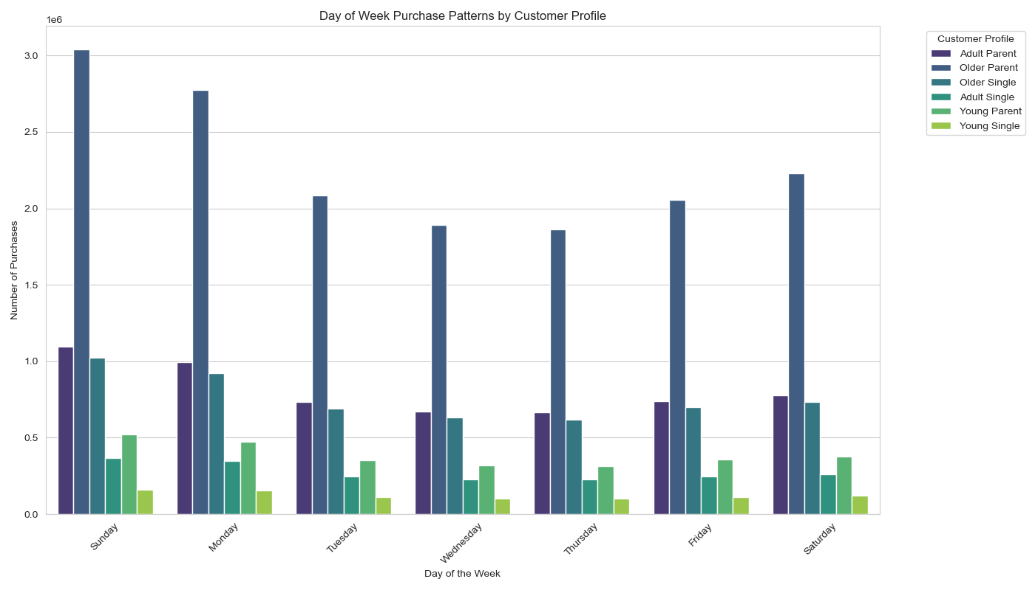
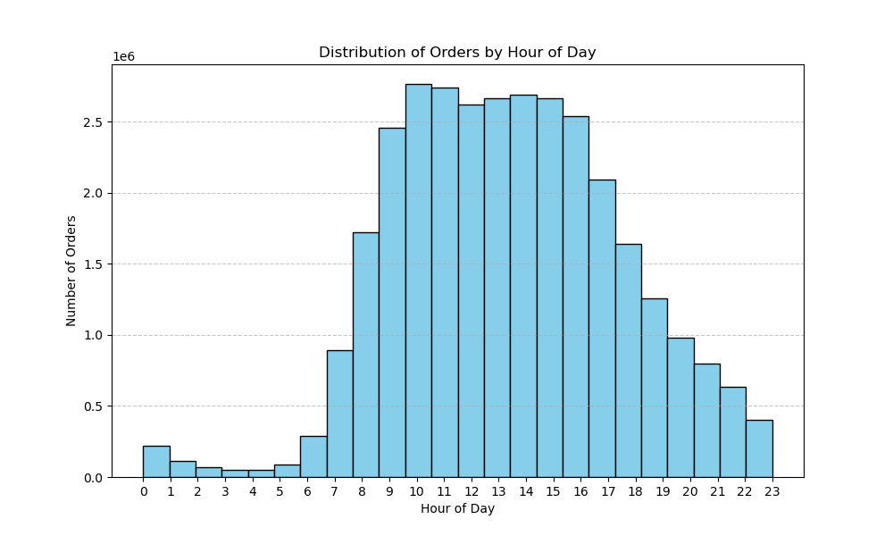

The chart shows that the peak ordering period, where customers place the highest number of orders, extends from 9 am to 4 pm, totaling 8 continuous hours during the day. Within this peak period, the cumulative order count exceeds 2 million per hour, with a slight dip around noon. The busiest hours, with nearly 2.5 million orders per hour, are at 10 am and 11 am.

Here we can see how Sunday and Monday are the busiest days of the week for all segment of population we have in our Data.
We can also see clearly that older parents are those who place more orders during the week.

Spending Habits

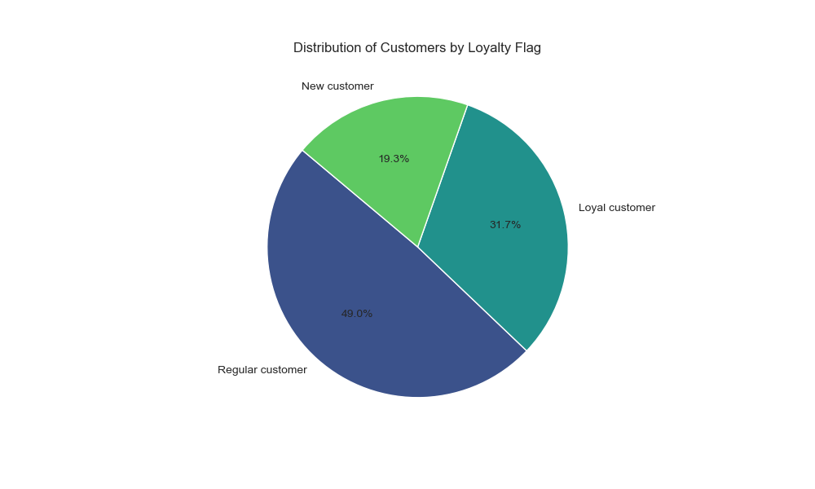

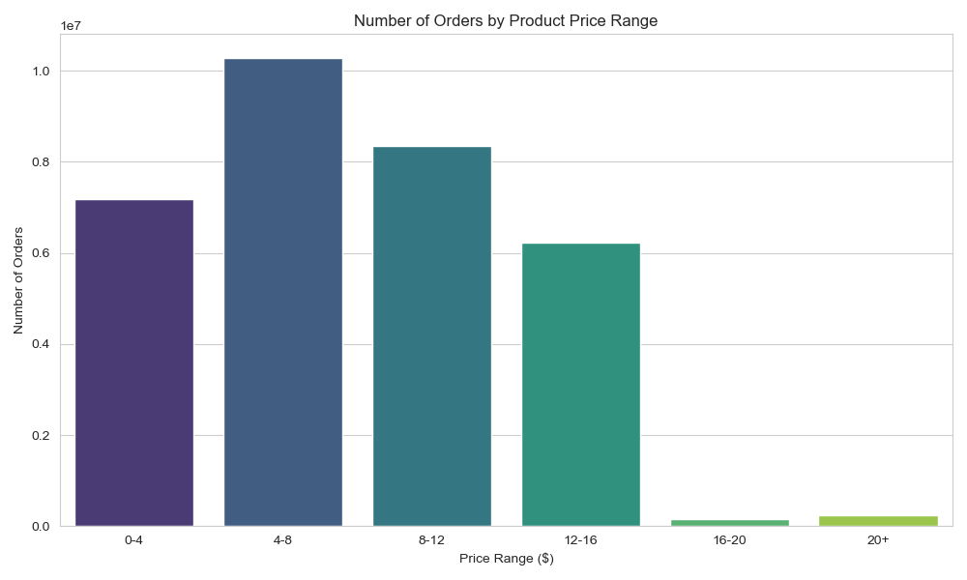

Instacart customers are for the large majority Regular customers for the 49%, followed by Loyal cusotmers for the 31.7% and in the end we have 19.3% of new customers. This means that there is a big amount of customers loyal and continuos and still there is a big number of new possible customers that can become loyal to the brand.

When we look at the range price, we can see that the item most bought are regularly included between 4 and 12$.The favourite range of the customers is for products between 4 and 8$.

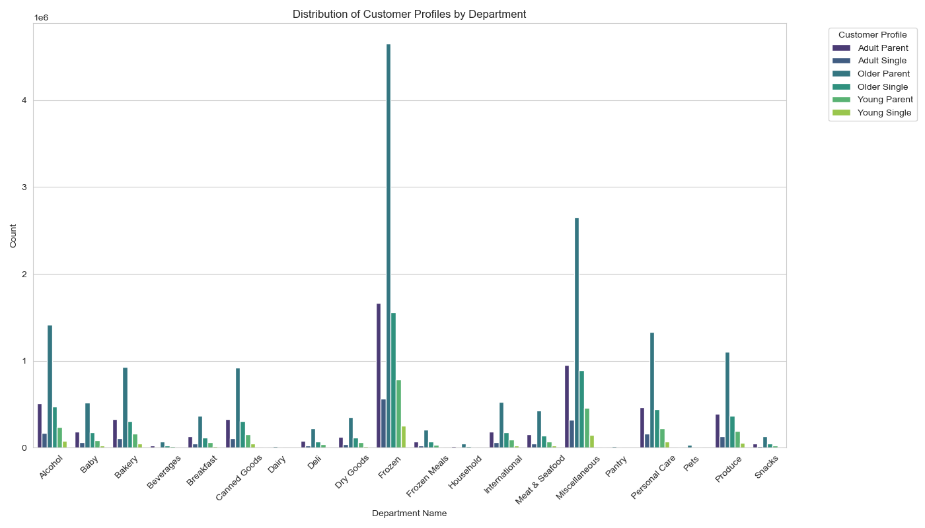
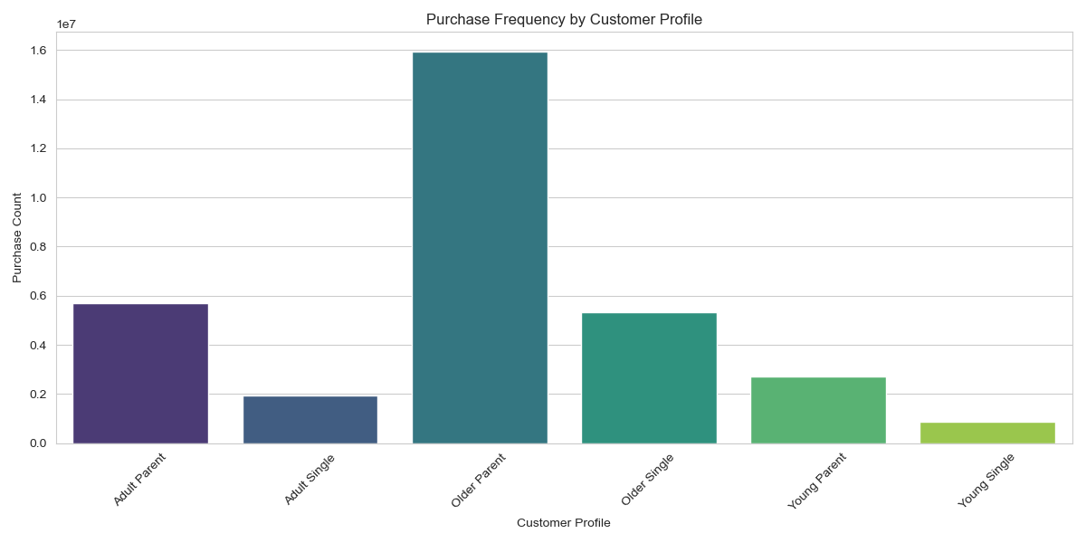

This gives more an idea of the population in target.The single population, both young and adult, spend less compared to the older parents or families in general.

Our analysis reveals that the largest segment of our customer base consists of older parents, making them our primary target audience. When examining the items most frequently purchased by this group, we find that frozen items are the top choice, followed closely by meat and seafood.

Is this behaviour the same across the country?

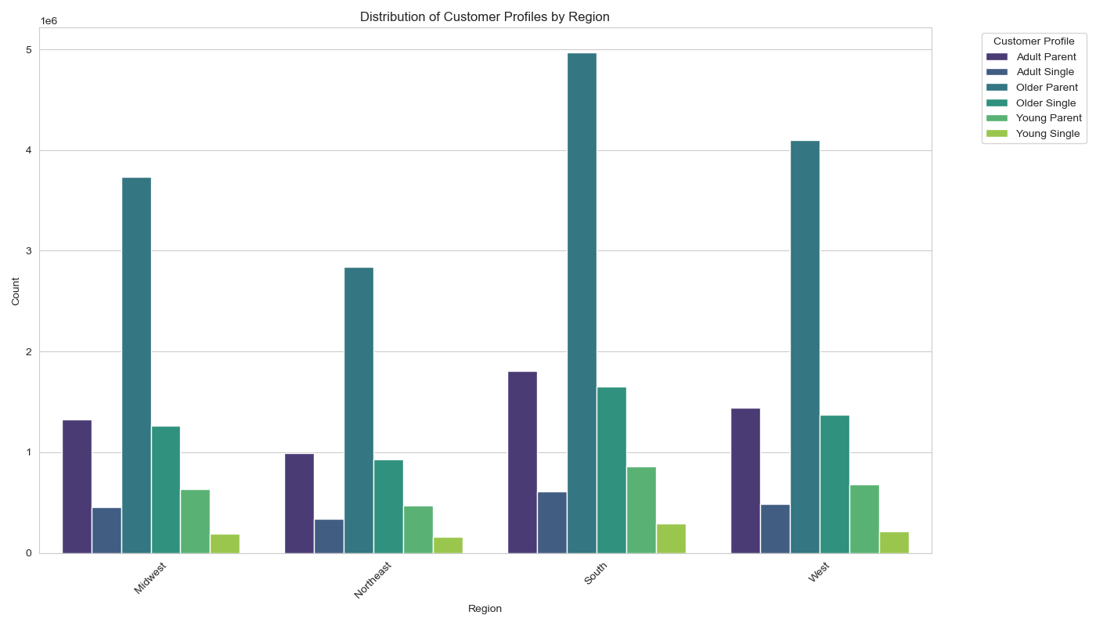
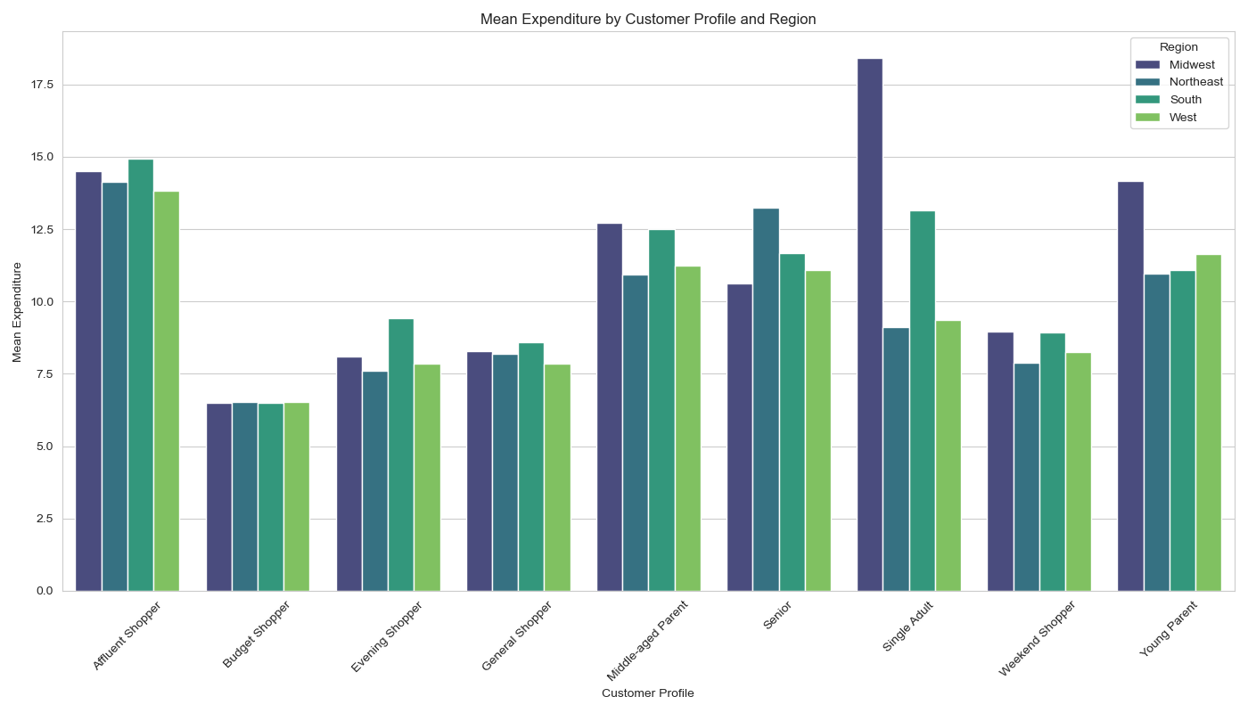

The distribution of the population across the country appears to be consistent, with the percentage of customers in each of the four regions being relatively similar. This suggests that our customer base is homogeneous across different regions.

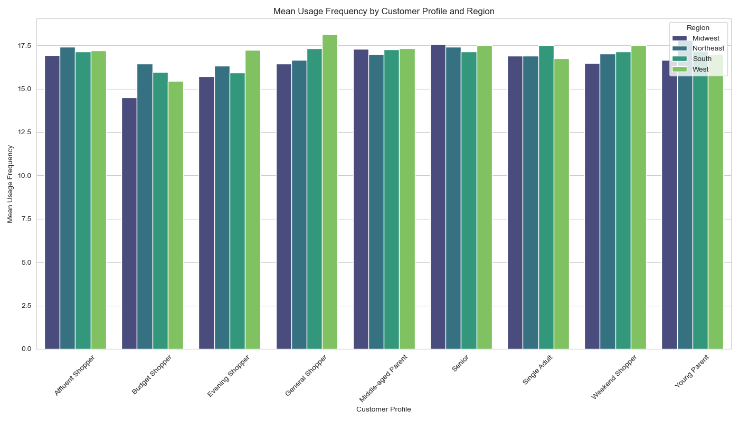

Comparing the population across regions, we observe that the smaller segments exhibit similar behaviors nationwide. This suggests that customer behavior is consistent throughout the entire country.

7. Recommendations
 |  |  | Title page

Recommendations

The analysis shows that weekends, particularly Saturday and Sunday, experience the highest volume of orders.
The busiest hours for orders are from 9 am to 4 pm, with peak hours at 10 am and 11 am.
Question | Answer | Comments/Suggestions
What are the busiest days of the week for customer orders? |  | Schedule promotional campaigns and special offers on weekdays to balance the load and increase weekday sales. Focus on optimizing logistics and customer service to handle the high volume on weekends.
During which hours of the day do customers place the most orders? |  | Implement targeted advertising during the off-peak hours (early morning and late evening) to capture additional sales without overwhelming the system. Consider special promotions or discounts during these times to incentivize purchases.
Ads should be scheduled during less busy hours, such as early morning (before 9 am) and late evening (after 4 pm), to capture customer attention without competing with peak order times.
When should ads be scheduled to avoid the busiest ordering times? |  | Schedule ads during the less busy hours to ensure they get maximum visibility. This approach will help avoid competing with peak order times and could lead to higher engagement rates.
Customers tend to spend the most money during the peak ordering period from 9 am to 4 pm.
At what times of the day do customers tend to spend the most money? |  | Highlight premium and higher-priced items during peak spending hours (9 am to 4 pm) to capitalize on the higher customer spending power during these times. Use this period for launching new products or premium lines.
Products should be grouped into simplified price ranges: low-priced (under $5),
mid-priced ($5 to $15), high-priced ($15 to $25), and premium (over $25).
How should products be grouped by price to aid marketing and sales efforts? |  | Use the simplified price range groupings (low-priced, mid-priced, high-priced, premium) in marketing materials and on the website to make it easier for customers to find products within their budget. Tailor marketing strategies to each price group to increase effectiveness.
The most popular product types are from the frozen, produce, and dairy departments, with frozen items being the most frequently ordered.
Which types of products are the most popular among customers? |  | Focus marketing efforts on promoting frozen, produce, and dairy products since these are the most popular. Consider creating bundle deals or loyalty programs around these categories to boost sales
Marketing and sales teams should focus on the frozen, produce, and dairy departments, as these are the departments with the highest frequency of product orders.
Which departments should marketing and sales teams focus on to drive higher sales? |  | Concentrate marketing and sales initiatives on the frozen, produce, and dairy departments. Develop targeted campaigns highlighting new arrivals, seasonal specials, and health benefits related to these categories.

